COVER
Logo of the Health Resources and Services Administration’s Maternal and Child Health Bureau, U.S. Department of Health and Human Services | Logo of U.S. Department of Health and Human Services’ Office of the Assistant Secretary for Planning and Evaluation
Early Childhood Systems Collective Impact Project | BLANK CELL

Early Childhood Systems Collective Impact Project catalog of requirements for federal programs supporting expectant parents, young children, and their families | 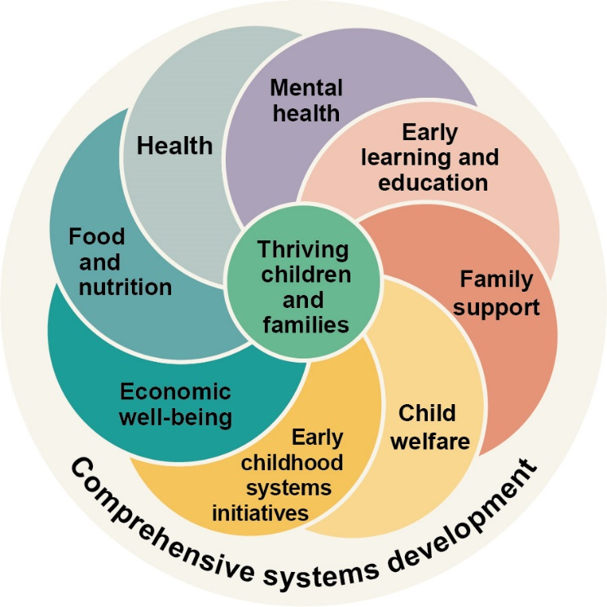 This project reflects a comprehensive and multigenerational vision of the early childhood system” is a graphic with an exterior circle and eight flower petals surrounding a smaller circle in the center. The exterior circle is labeled, “Comprehensive systems development.” The flower petals are labeled, “Early learning and education,” “Family support,” “Child welfare,” “Early childhood systems initiatives,” “Economic well-being,” “Food and nutrition,” “Health,” and “Mental health.” The smaller circle in the center is labeled, “Thriving children and families.”
October 2022 | BLANK CELL
Submitted to: | Submitted from:
Office of the Assistant Secretary for Planning and Evaluation | Mathematica
U.S. Department of Health and Human Services | 1100 First Street, NE, 12th Floor
200 Independence Ave. SW | Washington, DC 20002-4221
Washington, DC 20201 | Phone: (202) 484-9220
BLANK CELL | Fax: (202) 863-1763
The U.S. Department of Health and Human Services’ Office of the Assistant Secretary for Planning and Evaluation, in collaboration with the Health Resources and Services Administration, has contracted with Mathematica and their partner, the Center for the Study of Social Policy, to carry out the project. | BLANK CELL
Suggested citation: Litkowski, E., Malone, L., Lee, E., and the Early Childhood Systems Collective Impact Project team. Early Childhood Systems Collective Impact Project catalog of requirements for federal programs supporting expectant parents, young children, and their families. Washington, DC: Office of Assistant Secretary for Planning and Evaluation and Health Resources and Services Administration, U.S. Department of Health and Human Services, 2022. | BLANK CELL
End of worksheet

