1
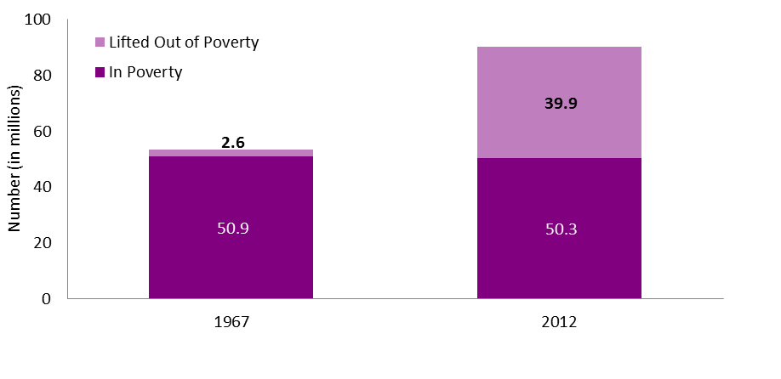
Table of Contents
Data for Figure 1
Number of People (in millions) of All Ages and Children Lifted out of Poverty, Using Alternative Poverty Measure, 1967 and 2012
 | 1967 | 2012
All Ages
In Poverty | 50.9 | 50.3
Lifted Out of Poverty | 2.6 | 39.9

Source: Calculations based on the Current Population Survey, Annual Social and Economic Supplement, as augmented by the Columbia Population Research Center, 1968 to 2013 (see Wimer et al. 2013. “Trends in Poverty with an Anchored Supplemental Poverty Measure.” Institute for Research on Poverty Discussion Paper No. 1416-13.).

2
Table of Contents
Data for Figure 2
Median Annual Earnings for Full-Time, Full-Year Workers, 1960-2014
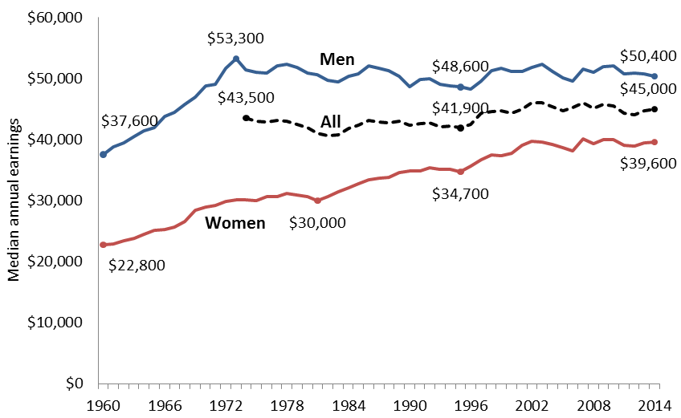
 | Men | Women | Total
2014 | $50,383 | $39,621 | $45,006
2013 | $50,833 | $39,428 | $44,711
2012 | $50,936 | $38,967 | $44,131
2011 | $50,740 | $39,073 | $44,302
2010 | $52,068 | $40,055 | $45,522
2009 | $52,001 | $40,030 | $45,770
2008 | $50,985 | $39,305 | $45,116
2007 | $51,511 | $40,080 | $46,038
2006 | $49,623 | $38,179 | $45,194
2005 | $50,171 | $38,620 | $44,746
2004 | $51,131 | $39,154 | $45,389
2003 | $52,348 | $39,548 | $46,075
2002 | $51,886 | $39,745 | $46,108
2001 | $51,180 | $39,066 | $44,977
2000 | $51,210 | $37,752 | $44,341
1999 | $51,724 | $37,404 | $44,756
1998 | $51,306 | $37,541 | $44,667
1997 | $49,542 | $36,741 | $44,292
1996 | $48,313 | $35,637 | $42,536
1995 | $48,621 | $34,729 | $41,907
1994 | $48,777 | $35,104 | $42,171
1993 | $49,074 | $35,098 | $42,164
1992 | $49,941 | $35,351 | $42,738
1991 | $49,891 | $34,853 | $42,681
1990 | $48,643 | $34,836 | $42,316
1989 | $50,401 | $34,612 | $43,029
1988 | $51,277 | $33,868 | $42,771
1987 | $51,743 | $33,725 | $42,921
1986 | $52,069 | $33,465 | $43,187
1985 | $50,785 | $32,794 | $42,410
1984 | $50,407 | $32,088 | $41,823
1983 | $49,481 | $31,467 | $40,838
1982 | $49,665 | $30,666 | $40,680
1981 | $50,621 | $29,985 | $41,064
1980 | $50,930 | $30,640 | $41,941
1979 | $51,771 | $30,888 | $42,509
1978 | $52,403 | $31,149 | $43,055
1977 | $52,067 | $30,679 | $43,178
1976 | $50,921 | $30,651 | $42,958
1975 | $51,061 | $30,033 | $43,025
1974 | $51,382 | $30,189 | $43,520
1973 | $53,294 | $30,182
1972 | $51,649 | $29,884
1971 | $49,010 | $29,164
1970 | $48,801 | $28,972
1969 | $46,984 | $28,424
1968 | $45,721 | $26,589
1967 | $44,526 | $25,729
1966 | $43,833 | $25,228
1965 | $41,999 | $25,168
1964 | $41,409 | $24,493
1963 | $40,464 | $23,852
1962 | $39,472 | $23,406
1961 | $38,764 | $22,967
1960 | $37,565 | $22,792
Notes: Dollars values were adjusted for inflation to 2013 constant dollars based on the Consumer Price Index Research Series (CPI-U-RS) for all urban consumers. Data for median earnings for all full-time, full-year workers is available from 1974.
Source: U.S. Census Bureau, Current Population Survey Annual Social and Economic Supplements. Historical Income Tables P-38 and P-43. www.census.gov/hhes/www/income/data/historical/people/.

3
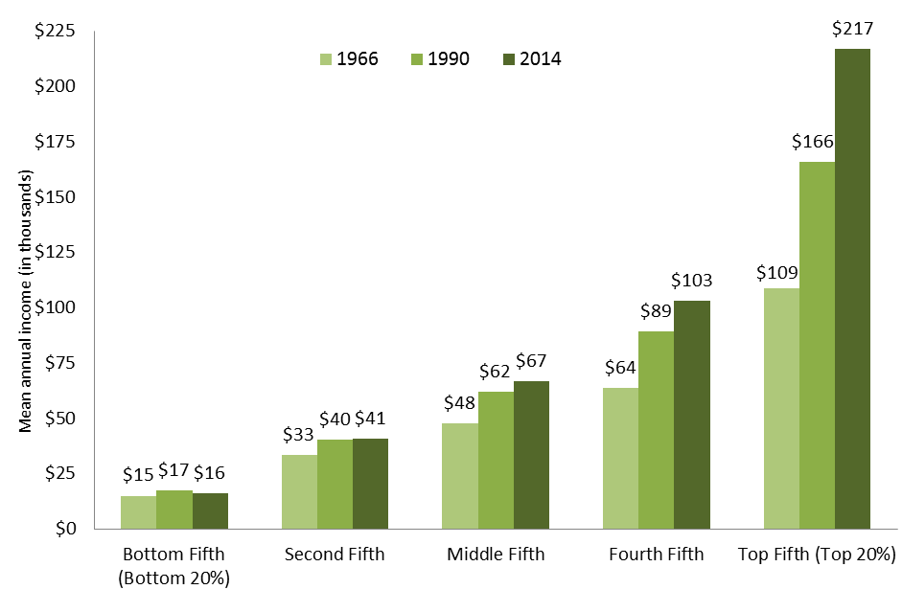
Table of Contents
Data for Figure 3
Mean Annual Income for Families in Each Fifth of the Income Distribution, 1966, 1990, and 2014
Year | Bottom Fifth (Bottom 20%) | Second Fifth | Middle Fifth | Fourth Fifth | Top Fifth (Top 20%)
1966 | $14,993 | $33,284 | $47,624 | $63,755 | $108,809
1990 | $17,281 | $40,307 | $62,077 | $89,273 | $165,911
2014 | $16,110 | $40,681 | $66,899 | $103,115 | $217,021

Note: Income is annual and reported in constant 2013 CPI-U-RS adjusted dollars. Income is money income before taxes received on a regular basis. Income does not include noncash benefits, such as food stamps, health benefits, or subsidized housing. Capital gains are also excluded.
Source: Current Population Survey Annual Social and Economic Supplements. Historical Income Tables. Table F-3. Mean Income Received by Each Fifth and Top 5 Percent of Families, All Races: 1966 to 2014. Available at: www.census.gov/hhes/www/income/data/historical/families/

4&5
Table of Contents
Data for Figures 4 and 5
Percentage and Number of Population in Official Poverty, 1964-2014
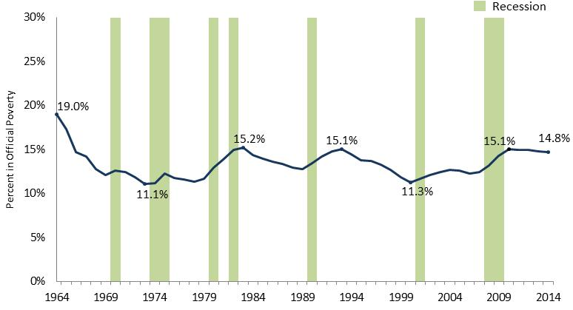
 | Percent in Poverty | Number in Poverty (in millions)
2014 | 14.8% | 46.7
2013 | 14.8% | 46.3
2012 | 15.0% | 46.5
2011 | 15.0% | 46.2
2010 | 15.1% | 46.3
2009 | 14.3% | 43.6
2008 | 13.2% | 39.8
2007 | 12.5% | 37.3
2006 | 12.3% | 36.5
2005 | 12.6% | 37.0
2004 | 12.7% | 37.0
2003 | 12.5% | 35.9
2002 | 12.1% | 34.6
2001 | 11.7% | 32.9
2000 | 11.3% | 31.6
1999 | 11.9% | 32.8
1998 | 12.7% | 34.5
1997 | 13.3% | 35.6
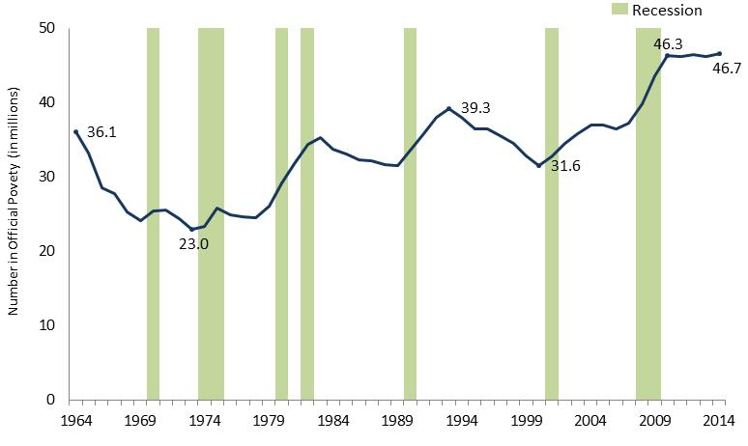
1996 | 13.7% | 36.5
1995 | 13.8% | 36.4
1994 | 14.5% | 38.1
1993 | 15.1% | 39.3
1992 | 14.8% | 38.0
1991 | 14.2% | 35.7
1990 | 13.5% | 33.6
1989 | 12.8% | 31.5
1988 | 13.0% | 31.7
1987 | 13.4% | 32.2
1986 | 13.6% | 32.4
1985 | 14.0% | 33.1
1984 | 14.4% | 33.7
1983 | 15.2% | 35.3
1982 | 15.0% | 34.4
1981 | 14.0% | 31.8
1980 | 13.0% | 29.3
1979 | 11.7% | 26.1
1978 | 11.4% | 24.5
1977 | 11.6% | 24.7
1976 | 11.8% | 25.0
1975 | 12.3% | 25.9
1974 | 11.2% | 23.4
1973 | 11.1% | 23.0
1972 | 11.9% | 24.5
1971 | 12.5% | 25.6
1970 | 12.6% | 25.4
1969 | 12.1% | 24.1
1968 | 12.8% | 25.4
1967 | 14.2% | 27.8
1966 | 14.7% | 28.5
1965 | 17.3% | 33.2
1964 | 19.0% | 36.1
Source: U.S. Census Bureau. Current Population Survey Annual Social and Economic Supplements. Historical Poverty Tables. Table 2. Poverty Status, Family Relationship, Race and Hispanic Origin: 1959 to 2014. Available at: http://www.census.gov/hhes/www/poverty/data/historical/people.html

6
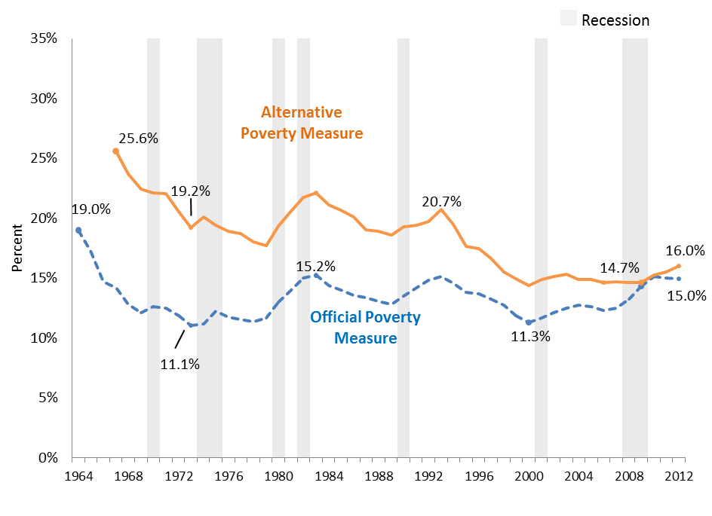
Table of Contents
Data for Figure 6
Percentage of People in Poverty, by Official and Alternative Measures, 1964-2012
 | Official Poverty Measure | Alternative Poverty Measure
2012 | 15.0% | 16.0%
2011 | 15.0% | 15.5%
2010 | 15.1% | 15.3%
2009 | 14.3% | 14.7%
2008 | 13.2% | 14.6%
2007 | 12.5% | 14.7%
2006 | 12.3% | 14.6%
2005 | 12.6% | 14.9%
2004 | 12.7% | 14.9%
2003 | 12.5% | 15.3%
2002 | 12.1% | 15.1%
2001 | 11.7% | 14.9%
2000 | 11.3% | 14.4%
1999 | 11.9% | 14.9%
1998 | 12.7% | 15.5%
1997 | 13.3% | 16.6%
1996 | 13.7% | 17.5%
1995 | 13.8% | 17.7%
1994 | 14.5% | 19.5%
1993 | 15.1% | 20.7%
1992 | 14.8% | 19.8%
1991 | 14.2% | 19.4%
1990 | 13.5% | 19.3%
1989 | 12.8% | 18.6%
1988 | 13.0% | 18.9%
1987 | 13.4% | 19.0%
1986 | 13.6% | 20.1%
1985 | 14.0% | 20.7%
1984 | 14.4% | 21.1%
1983 | 15.2% | 22.1%
1982 | 15.0% | 21.7%
1981 | 14.0% | 20.6%
1980 | 13.0% | 19.4%
1979 | 11.7% | 17.7%
1978 | 11.4% | 18.0%
1977 | 11.6% | 18.7%
1976 | 11.8% | 18.9%
1975 | 12.3% | 19.4%
1974 | 11.2% | 20.1%
1973 | 11.1% | 19.2%
1972 | 11.9% | 20.5%
1971 | 12.5% | 22.0%
1970 | 12.6% | 22.1%
1969 | 12.1% | 22.4%
1968 | 12.8% | 23.7%
1967 | 14.2% | 25.6%
1966 | 14.7% | —
1965 | 17.3% | —
1964 | 19.0% | —
Sources: Calculations based on the U.S. Census Bureau, Current Population Survey, Annual Social and Economic Supplement, as augmented by the Columbia Population Research Center, 1965/68 to 2013 (Wimer et al. 2013. “Trends in Poverty with an Anchored Supplemental Poverty Measure.” Institute for Research on Poverty Discussion Paper No. 1416-13.).

7
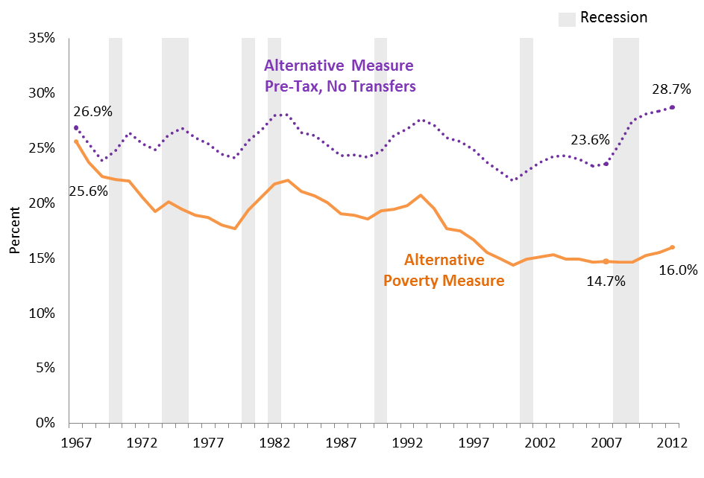
Table of Contents
Data for Figure 7
Percentage of People in Poverty, Using the Alternative Poverty Measure, 1967-2012
Year | Alternative Poverty Measure | Alternative Poverty Measure without Transfers
2012 | 16.0% | 28.7%
2011 | 15.5% | 28.4%
2010 | 15.3% | 28.1%
2009 | 14.7% | 27.5%
2008 | 14.6% | 25.3%
2007 | 14.7% | 23.6%
2006 | 14.6% | 23.4%
2005 | 14.9% | 24.0%
2004 | 14.9% | 24.3%
2003 | 15.3% | 24.3%
2002 | 15.1% | 23.7%
2001 | 14.9% | 22.9%
2000 | 14.4% | 22.0%
1999 | 14.9% | 22.9%
1998 | 15.5% | 23.7%
1997 | 16.6% | 24.9%
1996 | 17.5% | 25.6%
1995 | 17.7% | 25.9%
1994 | 19.5% | 27.1%
1993 | 20.7% | 27.7%
1992 | 19.8% | 26.8%
1991 | 19.4% | 26.1%
1990 | 19.3% | 24.7%
1989 | 18.6% | 24.2%
1988 | 18.9% | 24.4%
1987 | 19.0% | 24.3%
1986 | 20.1% | 25.3%
1985 | 20.7% | 26.2%
1984 | 21.1% | 26.4%
1983 | 22.1% | 28.1%
1982 | 21.7% | 28.0%
1981 | 20.6% | 26.7%
1980 | 19.4% | 25.6%
1979 | 17.7% | 24.1%
1978 | 18.0% | 24.4%
1977 | 18.7% | 25.4%
1976 | 18.9% | 25.9%
1975 | 19.4% | 26.8%
1974 | 20.1% | 26.2%
1973 | 19.2% | 24.8%
1972 | 20.5% | 25.4%
1971 | 22.0% | 26.4%
1970 | 22.1% | 24.8%
1969 | 22.4% | 23.9%
1968 | 23.7% | 25.4%
1967 | 25.6% | 26.9%
Note: Transfers include SNAP, housing subsidies, school lunch, LIHEAP, WIC, EITC and stimulus payments, cash welfare, SSI, Social Security, unemployment insurance, worker’s compensation, and veteran’s payments.
Source: Calculations based on the Current Population Survey, as augmented by the Columbia Population Research Center, 1968 to 2013 (Wimer et al. 2013. “Trends in Poverty with an Anchored Supplemental Poverty Measure.” Institute for Research on Poverty Discussion Paper No. 1416-13.).

8
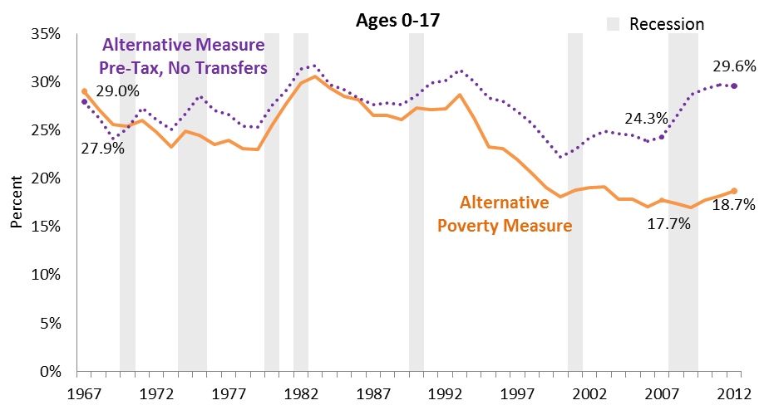
Table of Contents
Data for Figure 8
Percentage of Children Ages 0-17 in Poverty, Using the Alternative Poverty Measure, 1967-2012

Year | Alternative Poverty Measure | Alternative Poverty Measure without Transfers
2012 | 18.7% | 29.6%
2011 | 18.2% | 29.7%
2010 | 17.8% | 29.3%
2009 | 17.0% | 28.6%
2008 | 17.4% | 26.4%
2007 | 17.7% | 24.3%
2006 | 17.1% | 23.8%
2005 | 17.8% | 24.5%
2004 | 17.8% | 24.6%
2003 | 19.2% | 24.9%
2002 | 19.0% | 24.2%
2001 | 18.8% | 23.0%
2000 | 18.1% | 22.3%
1999 | 19.1% | 24.0%
1998 | 20.5% | 25.7%
1997 | 22.0% | 26.9%
1996 | 23.1% | 27.9%
1995 | 23.3% | 28.4%
1994 | 26.3% | 30.1%
1993 | 28.7% | 31.3%
1992 | 27.2% | 30.1%
1991 | 27.1% | 29.9%
1990 | 27.3% | 28.5%
1989 | 26.1% | 27.6%
1988 | 26.5% | 27.8%
1987 | 26.5% | 27.6%
1986 | 28.2% | 28.3%
1985 | 28.5% | 29.2%
1984 | 29.3% | 29.7%
1983 | 30.5% | 31.6%
1982 | 29.9% | 31.3%
1981 | 27.7% | 29.1%
1980 | 25.5% | 27.6%
1979 | 23.0% | 25.3%
1978 | 23.1% | 25.4%
1977 | 23.9% | 26.6%
1976 | 23.5% | 27.0%
1975 | 24.4% | 28.5%
1974 | 24.9% | 26.7%
1973 | 23.3% | 25.1%
1972 | 24.8% | 26.1%
1971 | 26.0% | 27.3%
1970 | 25.4% | 25.2%
1969 | 25.6% | 24.1%
1968 | 27.1% | 26.3%
1967 | 29.0% | 27.9%
Note: Transfers include SNAP, housing subsidies, school lunch, LIHEAP, WIC, EITC and stimulus payments, cash welfare, SSI, Social Security, unemployment insurance, worker’s compensation, and veteran’s payments.
Source: Calculations based on the Current Population Survey, as augmented by the Columbia Population Research Center, 1968 to 2013 (Wimer et al. 2013. “Trends in Poverty with an Anchored Supplemental Poverty Measure.” Institute for Research on Poverty Discussion Paper No. 1416-13.).

9
Table of Contents
Data for Figure 9
Impacts of Select Safety Net Programs on Supplemental Poverty Rate, 2014 |  |  |  |  | SPM | 0.1553
Program | Supplemental Poverty Rate (Baseline) | Supplemental Poverty Rate if program removed from income | Percentage point difference | Number lifted out of Poverty (in thousands) |  | Supplemental Poverty Rate | Percentage point increase if program didn't exist
Social Security | 15.3% | 23.5% | 8.2% | 26,000 | Social Security | 15.3% | 8.2% | 23.5%
Tax Credits* | 15.3% | 18.4% | 3.1% | 9,800 | Tax Credits* | 15.3% | 3.1% | 18.4%
EITC | 15.3% | 17.4% | 2.1% | 6,700 | EITC | 15.3% | 2.1% | 17.4%
SNAP | 15.3% | 16.8% | 1.5% | 4,700 | SNAP | 15.3% | 1.5% | 16.8%
UI | 15.3% | 15.6% | 0.3% | 800 | UI | 15.3% | 0.3% | 15.6%
SSI | 15.3% | 16.5% | 1.2% | 3,800 | SSI | 15.3% | 1.2% | 16.5%
Housing | 15.3% | 16.2% | 0.9% | 2,800 | Housing | 15.3% | 0.9% | 16.2%
School Lunch | 15.3% | 15.7% | 0.4% | 1,400 | School Lunch | 15.3% | 0.4% | 15.7%
TANF (cash) | 15.3% | 15.5% | 0.2% | 700 | TANF (cash) | 15.3% | 0.2% | 15.5%
WIC | 15.3% | 15.4% | 0.1% | 400 | WIC | 15.3% | 0.1% | 15.4%
LIHEAP | 15.3% | 15.4% | 0.1% | 200 | LIHEAP | 15.3% | 0.1% | 15.4%
Child Support (Net Effect) | 15.3% | 15.5% | 0.2% | 700 | Child Support (net) | 15.3% | 0.2% | 15.5%
 |  |  |  |  |  | 0.0% | 0.0% | 0.0%
*Tax credits include both the refundable EITC and the refundable portion of the Child Tax Credit (CTC). |  |  |  |  |  | 0.0% | 0.0% | 0.0%
Sources: Tabulations by the U.S. Census Bureau. Housing and Household Economic Statistics Division. Poverty Statistics Branch. Current Population Survey Annual Social and Economic Supplement, 2015. U.S. Census Bureau. Current Population Reports, P60-251. "The Supplemental Poverty Measure: 2014." by Kathleen Short. Available at: http://www.census.gov/hhes/povmeas

10
Table of Contents
Data for Figure 10
Impacts of Select Safety Net Programs on Supplemental Poverty Rate for Children Ages 0-17, 2014
Program | Child Supplemental Poverty Rate (Baseline) | Child Supplemental Poverty Rate if program removed from income | Percentage point difference | Number lifted out of Poverty (in thousands) |  | Supplemental Poverty Rate | Percentage point increase if program didn't exist
Social Security | 16.7% | 18.9% | 2.2% | 1,600 | Social Security | 16.7% | 2.2% | 18.9%
Tax Credits* | 16.7% | 23.8% | 7.1% | 5,200 | Tax Credits* | 16.7% | 7.1% | 23.8%
EITC | 16.7% | 21.4% | 4.7% | 3,500 | EITC | 16.7% | 4.7% | 21.4%
SNAP | 16.7% | 19.5% | 2.8% | 2,100 | SNAP | 16.7% | 2.8% | 19.5%
UI | 16.7% | 17.1% | 0.4% | 300 | UI | 16.7% | 0.4% | 17.1%
SSI | 16.7% | 17.6% | 0.9% | 700 | SSI | 16.7% | 0.9% | 17.6%
Housing | 16.7% | 17.9% | 1.2% | 900 | Housing | 16.7% | 1.2% | 17.9%
School Lunch | 16.7% | 17.8% | 1.1% | 800 | School Lunch | 16.7% | 1.1% | 17.8%
TANF (cash) | 16.7% | 17.2% | 0.5% | 400 | TANF (cash) | 16.7% | 0.5% | 17.2%
WIC | 16.7% | 17.0% | 0.3% | 300 | WIC | 16.7% | 0.3% | 17.0%
LIHEAP | 16.7% | 16.8% | 0.1% | 100 | LIHEAP | 16.7% | 0.1% | 16.8%
Child Support (Net Effect) | 16.7% | 17.3% | 0.6% | 500 | Child Support (net) | 16.7% | 0.6% | 17.3%

*Tax credits include both the refundable EITC and the refundable portion of the Child Tax Credit (CTC).
Sources: Tabulations by the U.S. Census Bureau. Housing and Household Economic Statistics Division. Poverty Statistics Branch. Current Population Survey Annual Social and Economic Supplement, 2015.U.S. Census Bureau. Current Population Reports, P60-251. "The Supplemental Poverty Measure: 2014." by Kathleen Short, at: http://www.census.gov/hhes/povmeas

11
Table of Contents
Data for Figure 11
Impacts of Select Safety Net Programs on Supplemental Poverty Rate for Program Recipients, 2014 |  |  |  |  | Program recipients' supplemental poverty rate | Percentage point increase if program didn't exist
Program | Baseline Supplemental Poverty Rate for program recipients | Supplemental Poverty Rate for program recipients if program removed from income | Percentage point difference | Social Security | 14.1% | 34.3% | 48.4%
Social Security | 14.1% | 48.4% | 34.3% | Tax Credits* | 27.2% | 12.8% | 40.0%
Tax Credits* | 27.2% | 40.0% | 12.8% | EITC | 28.9% | 9.6% | 38.5%
EITC | 28.9% | 38.5% | 9.6% | SNAP | 39.8% | 11.2% | 51.0%
SNAP | 39.8% | 51.0% | 11.2% | UI | 12.5% | 6.5% | 19.0%
UI | 12.5% | 19.0% | 6.5% | SSI | 27.6% | 25.9% | 53.5%
SSI | 27.6% | 53.5% | 25.9% | Housing | 39.4% | 27.5% | 66.9%
Housing | 39.4% | 66.9% | 27.5% | School Lunch | 18.1% | 1.5% | 19.6%
School Lunch | 18.1% | 19.6% | 1.5% | TANF (cash) | 39.4% | 11.3% | 50.7%
TANF (cash) | 39.4% | 50.7% | 11.3% | WIC | 30.5% | 2.4% | 32.9%
WIC | 30.5% | 32.9% | 2.4% | LIHEAP | 42.2% | 1.6% | 43.8%
LIHEAP | 42.2% | 43.8% | 1.6% | Child Support (received) | 15.2% | 6.3% | 21.5%
Child Support (received) | 15.2% | 21.5% | 6.3%

*Tax credits include both the refundable EITC and the refundable portion of the Child Tax Credit (CTC).
Source: Tabulations by the U.S. Census Bureau. Housing and Household Economic Statistics Division. Poverty Statistics Branch. Current Population Survey Annual Social and Economic Supplement, 2015.

12
Table of Contents
Data for Figure 12
Percentage of the Population with Incomes Below 50 Percent, 100 Percent, and 200 Percent of the Poverty Threshold (Deep Poverty, Official Poverty, and Low-Income), 1964-2014
 | Below 50% of Poverty Line (Deep Poverty) | Below 100% of Poverty Line (Official Poverty) | Below 200% of Poverty Line (Low Income) | Below 50% of Poverty Line (Deep Poverty)
 | Below 100% of Poverty Line (Official Poverty) | Below 200% of Poverty Line (Low Income) | Below 50% of Poverty Line (Deep Poverty)
2014 | 14.8% | 33.4% | 6.6%
2013 | 14.8% | 33.5% | 6.5%
2012 | 15.0% | 34.2% | 6.6%
2011 | 15.0% | 34.4% | 6.6%
2010 | 15.1% | 34.0% | 6.7%
2009 | 14.3% | 33.0% | 6.3%
2008 | 13.2% | 31.9% | 5.7%
2007 | 12.5% | 30.5% | 5.2%
2006 | 12.3% | 30.5% | 5.2%
2005 | 12.6% | 31.0% | 5.4%
2004 | 12.7% | 31.3% | 5.4%
2003 | 12.5% | 31.1% | 5.3%
2002 | 12.1% | 30.5% | 4.9%
2001 | 11.7% | 30.2% | 4.8%
2000 | 11.3% | 29.3% | 4.5%
1999 | 11.9% | 30.3% | 4.7%
1998 | 12.7% | 30.8% | 5.1%
1997 | 13.3% | 32.1% | 5.4%
1996 | 13.7% | 33.5% | 5.4%
1995 | 13.8% | 33.6% | 5.3%
1994 | 14.5% | 34.3% | 5.9%
1993 | 15.1% | 35.2% | 6.2%
1992 | 14.8% | 34.4% | 6.1%
1991 | 14.2% | 33.5% | 5.6%
1990 | 13.5% | 32.3% | 5.2%
1989 | 12.8% | 31.4% | 4.9%
1988 | 13.0% | 31.7% | 5.2%
1987 | 13.4% | 31.7% | 5.2%
1986 | 14.0% | 33.9% | 5.3%
1985 | 13.6% | 33.9% | 5.2%
1984 | 14.4% | 34.6% | 5.5%
1983 | 15.2% | 36.1% | 5.9%
1982 | 15.0% | 36.6% | 5.6%
1981 | 14.0% | 35.7% | 4.9%
1980 | 13.0% | 33.9% | 4.4%
1979 | 11.7% | 31.3% | 3.8%
1978 | 11.4% | 31.0% | 3.6%
1977 | 11.6% | 32.7% | 3.5%
1976 | 11.8% | 33.5% | 3.3%
1975 | 12.3% | 34.6% | 3.7%
1974 | 11.2%
1973 | 11.1%
1972 | 11.9%
1971 | 12.5%
1970 | 12.6%
1969 | 12.1%
1968 | 12.8%
1967 | 14.2%
1966 | 14.7%
1965 | 17.3%
...
2014 | 6.6% | 14.8% | 33.4% | 6.6%
2013 | 6.5% | 14.8% | 33.5% | 6.5%
2012 | 6.6% | 15.0% | 34.2% | 6.6%
2011 | 6.6% | 15.0% | 34.4% | 6.6%
2010 | 6.7% | 15.1% | 34.0% | 6.7%
2009 | 6.3% | 14.3% | 33.0% | 6.3%
2008 | 5.7% | 13.2% | 31.9% | 5.7%
2007 | 5.2% | 12.5% | 30.5% | 5.2%
2006 | 5.2% | 12.3% | 30.5% | 5.2%
2005 | 5.4% | 12.6% | 31.0% | 5.4%
2004 | 5.4% | 12.7% | 31.3% | 5.4%
2003 | 5.3% | 12.5% | 31.1% | 5.3%
2002 | 4.9% | 12.1% | 30.5% | 4.9%
2001 | 4.8% | 11.7% | 30.2% | 4.8%
2000 | 4.5% | 11.3% | 29.3% | 4.5%
1999 | 4.7% | 11.9% | 30.3% | 4.7%
1998 | 5.1% | 12.7% | 30.8% | 5.1%
1997 | 5.4% | 13.3% | 32.1% | 5.4%
1996 | 5.4% | 13.7% | 33.5% | 5.4%
1995 | 5.3% | 13.8% | 33.6% | 5.3%
1994 | 5.9% | 14.5% | 34.3% | 5.9%
1993 | 6.2% | 15.1% | 35.2% | 6.2%
1992 | 6.1% | 14.8% | 34.4% | 6.1%
1991 | 5.6% | 14.2% | 33.5% | 5.6%
1990 | 5.2% | 13.5% | 32.3% | 5.2%
1989 | 4.9% | 12.8% | 31.4% | 4.9%
1988 | 5.2% | 13.0% | 31.7% | 5.2%
1987 | 5.2% | 13.4% | 31.7% | 5.2%
1986 | 5.3% | 14.0% | 33.9% | 5.3%
1985 | 5.2% | 13.6% | 33.9% | 5.2%
1984 | 5.5% | 14.4% | 34.6% | 5.5%
1983 | 5.9% | 15.2% | 36.1% | 5.9%
1982 | 5.6% | 15.0% | 36.6% | 5.6%
1981 | 4.9% | 14.0% | 35.7% | 4.9%
1980 | 4.4% | 13.0% | 33.9% | 4.4%
1979 | 3.8% | 11.7% | 31.3% | 3.8%
1978 | 3.6% | 11.4% | 31.0% | 3.6%
1977 | 3.5% | 11.6% | 32.7% | 3.5%
1976 | 3.3% | 11.8% | 33.5% | 3.3%
1975 | 3.7% | 12.3% | 34.6% | 3.7%
1974 |  | 11.2%
1973 |  | 11.1%
1972 |  | 11.9%
1971 |  | 12.5%
1970 |  | 12.6%
1969 |  | 12.1%
1968 |  | 12.8%
1967 |  | 14.2%
1966 |  | 14.7%
1965 |  | 17.3%
1964 |  | 19.0%
Note: Published data for deep poverty and low income rates were unavailable before 1975.
Sources: U.S. Census Bureau. Current Population Survey Annual Social and Economic Supplements. Historical Poverty Tables. Table 5. Percent of People by Ratio of Income to Poverty Level: 1970-2014; Table 2. Poverty Status, Family Relationship, Race and Hispanic Origin: 1965 to 2014. Available at: www.census.gov/hhes/www/poverty/data/historical/people.html

13
Table of Contents
Data for Figure 13
Percentage of the Poor Population in Deep Poverty (Below 50 Percent of the Poverty Threshold), 1975-2014
 | Percent of the Poor in Deep Poverty
2014 | 44.6%
2013 | 43.8%
2012 | 43.9%
2011 | 44.0%
2010 | 44.3%
2009 | 43.7%
2008 | 42.9%
2007 | 41.8%
2006 | 42.4%
2005 | 43.1%
2004 | 42.4%
2003 | 42.6%
2002 | 40.7%
2001 | 40.8%
2000 | 39.9%
1999 | 39.3%
1998 | 40.4%
1997 | 41.0%
1996 | 39.5%
1995 | 38.1%
1994 | 40.5%
1993 | 40.7%
1992 | 40.9%
1991 | 39.4%
1990 | 38.5%
1989 | 38.0%
1988 | 39.9%
1987 | 38.7%
1986 | 39.2%
1985 | 37.4%
1984 | 37.9%
1983 | 38.5%
1982 | 37.2%
1981 | 35.2%
1980 | 33.5%
1979 | 32.8%
1978 | 31.5%
1977 | 30.2%
1976 | 28.1%
1975 | 29.9%
Note: Published data for deep poverty and low income rates were unavailable before 1975.
Source: U.S. Census Bureau. Current Population Survey Annual Social and Economic Supplements. Historical Poverty Tables. Table 22. Number and Percent of People Below 50 Percent of Poverty Level: 1975 to 2014. Available at: http://www.census.gov/hhes/www/poverty/data/historical/people.html

14
Table of Contents
Data for Figure 14
Impacts of Select Safety Net Programs on Deep Supplemental Poverty Rate, 2014
Program | Deep Supplemental Poverty Rate (Baseline) | Deep Supplemental Poverty Rate if program removed from income | Percentage point difference |  | Deep Supplemental Poverty Rate | Percentage point increase if program didn't exist | Deep Supplemental Poverty Rate if program removed from income
Social Security | 5.1% | 12.6% | 7.5% | Social Security | 5.1% | 7.5% | 12.6%
Tax Credits* | 5.1% | 5.9% | 0.8% | Tax Credits* | 5.1% | 0.8% | 5.9%
EITC | 5.1% | 5.6% | 0.5% | EITC | 5.1% | 0.5% | 5.6%
SNAP | 5.1% | 6.0% | 0.9% | SNAP | 5.1% | 0.9% | 6.0%
UI | 5.1% | 5.2% | 0.1% | UI | 5.1% | 0.1% | 5.2%
SSI | 5.1% | 6.1% | 1.0% | SSI | 5.1% | 1.0% | 6.1%
Housing | 5.1% | 5.7% | 0.6% | Housing | 5.1% | 0.6% | 5.7%
School Lunch | 5.1% | 5.2% | 0.2% | School Lunch | 5.1% | 0.2% | 5.2%
TANF (cash) | 5.1% | 5.2% | 0.1% | TANF (cash) | 5.1% | 0.1% | 5.2%
WIC | 5.1% | 5.1% | 0.1% | WIC | 5.1% | 0.1% | 5.1%
LIHEAP | 5.1% | 5.1% | 0.0% | LIHEAP | 5.1% | 0.0% | 5.1%
Child Support (Net Effect) | 5.1% | 5.2% | 0.1% | Child Support (Net Effect) | 5.1% | 0.1% | 5.2%

*Tax credits include both the refundable EITC and the refundable portion of the Child Tax Credit (CTC).
Source: Tabulations by the U.S. Census Bureau. Housing and Household Economic Statistics Division. Poverty Statistics Branch. Current Population Survey Annual Social and Economic Supplement, 2015.

15
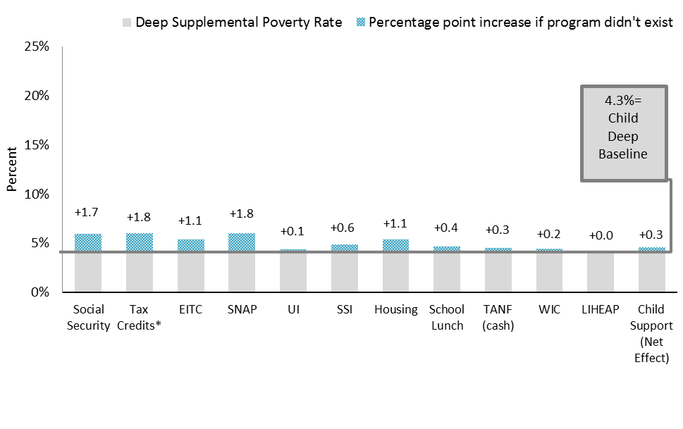
Table of Contents
Data for Figure 15
Impacts of Select Safety Net Programs on Deep Supplemental Poverty Rate for Children Ages 0-17, 2014
Program | Child Deep Supplemental Poverty Rate (Baseline) | Child Deep Supplemental Poverty Rate if program removed from income | Percentage point difference
Social Security | 4.3% | 6.0% | 1.7%
Tax Credits* | 4.3% | 6.1% | 1.8%
EITC | 4.3% | 5.4% | 1.1%
SNAP | 4.3% | 6.1% | 1.8%
UI | 4.3% | 4.4% | 0.1%
SSI | 4.3% | 4.9% | 0.6%
Housing | 4.3% | 5.4% | 1.1%
School Lunch | 4.3% | 4.7% | 0.4%
TANF (cash) | 4.3% | 4.6% | 0.3%
WIC | 4.3% | 4.5% | 0.2%
LIHEAP | 4.3% | 4.3% | 0.0%
Child Support (Net Effect) | 4.3% | 4.6% | 0.3%

*Tax credits include both the refundable EITC and the refundable portion of the Child Tax Credit (CTC).
Source: Tabulations by the U.S. Census Bureau. Housing and Household Economic Statistics Division. Poverty Statistics Branch. Current Population Survey Annual Social and Economic Supplement, 2015.

16
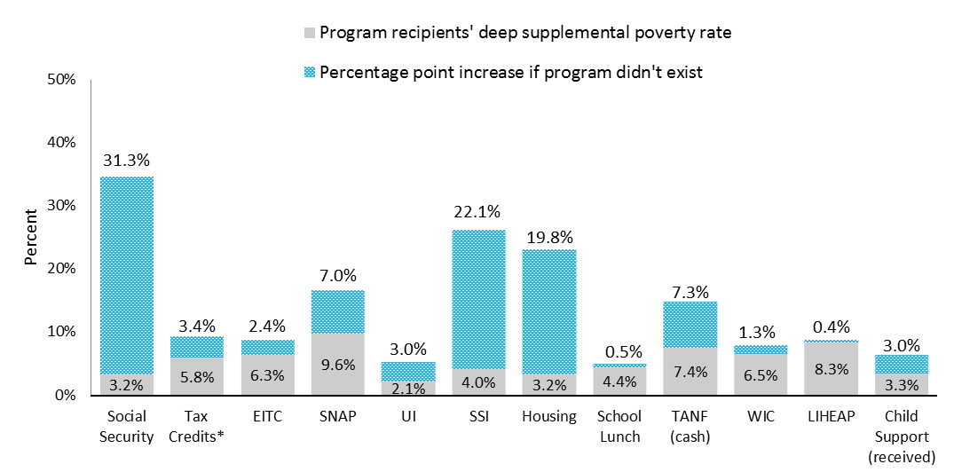
Table of Contents
Data for Figure 16
Impacts of Select Safety Net Programs on Deep Supplemental Poverty Rate for Program Recipients, 2014
Program | Baseline Deep Supplemental Poverty Rate for program recipients | Deep Supplemental Poverty Rate for program recipients if program removed from income | Percentage point difference
Social Security | 3.2% | 34.5% | 31.3%
Tax Credits* | 5.8% | 9.2% | 3.4%
EITC | 6.3% | 8.7% | 2.4%
SNAP | 9.6% | 16.6% | 7.0%
UI | 2.1% | 5.1% | 3.0%
SSI | 4.0% | 26.1% | 22.1%
Housing | 3.2% | 23.0% | 19.8%
School Lunch | 4.4% | 4.9% | 0.5%
TANF (cash) | 7.4% | 14.7% | 7.3%
WIC | 6.5% | 7.8% | 1.3%
LIHEAP | 8.3% | 8.7% | 0.4%
Child Support (received) | 3.3% | 6.3% | 3.0%

*Tax credits include both the refundable EITC and the refundable portion of the Child Tax Credit (CTC).
Source: U.S. Census Bureau. Housing and Household Economic Statistics Division. Poverty Statistics Branch. Current Population Survey Annual Social and Economic Supplement, 2015.

17
 | Married-Couple Families | Single-Father Families | Single-Mother Families
2014 | 65.9% | 7.8% | 26.3%
2013 | 65.0% | 8.3% | 26.7%
2012 | 65.7% | 8.2% | 26.1%
2011 | 65.3% | 7.7% | 27.0%
2010 | 66.5% | 7.2% | 26.3%
2009 | 67.3% | 7.3% | 25.4%
2008 | 68.0% | 6.9% | 25.1%
2007 | 68.1% | 6.9% | 25.0%
2006 | 68.7% | 6.5% | 24.9%
2005 | 68.9% | 6.6% | 24.5%
2004 | 68.9% | 6.5% | 24.6%
2003 | 69.1% | 6.3% | 24.6%
2002 | 69.6% | 6.1% | 24.2%
2001 | 70.1% | 6.1% | 23.9%
2000 | 71.0% | 5.9% | 23.1%
1999 | 70.8% | 5.8% | 23.3%
1998 | 70.4% | 5.7% | 24.0%
1997 | 70.6% | 5.8% | 23.6%
1996 | 70.4% | 5.5% | 24.1%
1995 | 70.9% | 5.3% | 23.8%
1994 | 71.7% | 4.8% | 23.6%
1993 | 71.7% | 4.3% | 24.0%
1992 | 72.3% | 4.4% | 23.4%
1991 | 72.7% | 4.3% | 22.9%
1990 | 73.6% | 4.0% | 22.3%
1989 | 74.3% | 4.0% | 21.7%
1988 | 74.7% | 3.8% | 21.5%
1987 | 74.9% | 3.9% | 21.2%
1986 | 75.7% | 3.4% | 21.0%
1985 | 76.0% | 3.4% | 20.6%
1984 | 76.0% | 3.3% | 20.7%
1983 | 76.9% | 2.9% | 20.2%
1982 | 77.6% | 2.7% | 19.6%
1981 | 77.6% | 2.5% | 19.9%
1980 | 78.3% | 2.4% | 19.2%
1979 | 79.1% | 2.3% | 18.6%
1978 | 79.4% | 2.2% | 18.4%
1977 | 79.9% | 2.0% | 18.0%
1976 | 81.2% | 1.9% | 16.9%
1975 | 81.9% | 1.8% | 16.3%
1974 | 82.6% | 1.7% | 15.7%
1973 | 83.9% | 1.3% | 14.8%
1972 | 84.7% | 1.3% | 14.0%
1971 | 85.3% | 1.5% | 13.3%
1970 | 85.8% | 1.5% | 12.8%
1969 | 87.4% | 1.2% | 11.3%
1968 | 87.6% | 1.3% | 11.1%
1967 | 87.8% | 1.2% | 11.0%
1966 | 88.1% | 1.5% | 10.3%
1965 | 88.4% | 1.4% | 10.2%
...
Table of Contents
Data for Figure 17
Percentage of All Families with Children by Family Type, 1964-2014

 | Married-Couple Families | Single-Father Families | Single-Mother Families
2014 | 65.9% | 7.8% | 26.3%
2013 | 65.0% | 8.3% | 26.7%
2012 | 65.7% | 8.2% | 26.1%
2011 | 65.3% | 7.7% | 27.0%
2010 | 66.5% | 7.2% | 26.3%
2009 | 67.3% | 7.3% | 25.4%
2008 | 68.0% | 6.9% | 25.1%
2007 | 68.1% | 6.9% | 25.0%
2006 | 68.7% | 6.5% | 24.9%
2005 | 68.9% | 6.6% | 24.5%
2004 | 68.9% | 6.5% | 24.6%
2003 | 69.1% | 6.3% | 24.6%
2002 | 69.6% | 6.1% | 24.2%
2001 | 70.1% | 6.1% | 23.9%
2000 | 71.0% | 5.9% | 23.1%
1999 | 70.8% | 5.8% | 23.3%
1998 | 70.4% | 5.7% | 24.0%
1997 | 70.6% | 5.8% | 23.6%
1996 | 70.4% | 5.5% | 24.1%
1995 | 70.9% | 5.3% | 23.8%
1994 | 71.7% | 4.8% | 23.6%
1993 | 71.7% | 4.3% | 24.0%
1992 | 72.3% | 4.4% | 23.4%
1991 | 72.7% | 4.3% | 22.9%
1990 | 73.6% | 4.0% | 22.3%
1989 | 74.3% | 4.0% | 21.7%
1988 | 74.7% | 3.8% | 21.5%
...

18
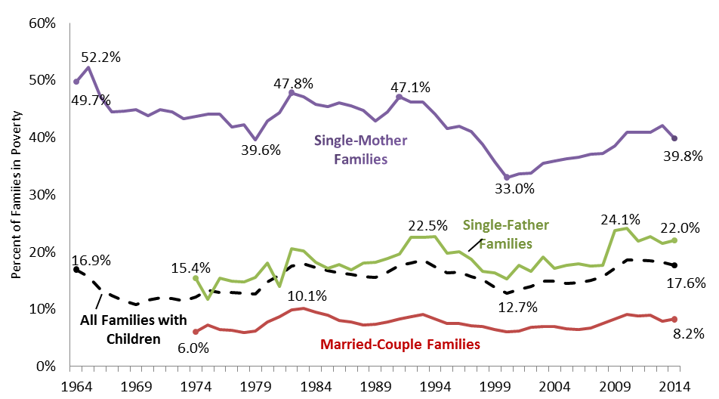
Table of Contents
Data for Figure 18
Percentage of Families with Children in Poverty by Family Type, 1964-2014
 | All Families with Children | Married-Couple Families | Single-Father Families | Single-Mother Families
2014 | 17.6% | 8.2% | 22.0% | 39.8%
2013 | 18.1% | 7.9% | 21.5% | 42.0%
2012 | 18.4% | 8.9% | 22.6% | 40.9%
2011 | 18.5% | 8.8% | 21.9% | 40.9%
2010 | 18.5% | 9.0% | 24.1% | 40.9%
2009 | 17.1% | 8.3% | 23.7% | 38.5%
2008 | 15.7% | 7.5% | 17.6% | 37.2%
2007 | 15.0% | 6.7% | 17.5% | 37.0%
2006 | 14.6% | 6.4% | 17.9% | 36.5%
2005 | 14.5% | 6.5% | 17.6% | 36.2%
2004 | 14.8% | 7.0% | 17.1% | 35.9%
2003 | 14.8% | 7.0% | 19.1% | 35.5%
2002 | 13.9% | 6.8% | 16.6% | 33.7%
2001 | 13.4% | 6.1% | 17.7% | 33.6%
2000 | 12.7% | 6.0% | 15.3% | 33.0%
1999 | 13.8% | 6.4% | 16.3% | 35.7%
1998 | 15.1% | 6.9% | 16.6% | 38.7%
1997 | 15.7% | 7.1% | 18.7% | 41.0%
1996 | 16.5% | 7.5% | 20.0% | 41.9%
1995 | 16.3% | 7.5% | 19.7% | 41.5%
1994 | 17.4% | 8.3% | 22.6% | 44.0%
1993 | 18.5% | 9.0% | 22.5% | 46.1%
1992 | 18.0% | 8.6% | 22.5% | 46.2%
1991 | 17.7% | 8.3% | 19.6% | 47.1%
1990 | 16.4% | 7.8% | 18.8% | 44.5%
1989 | 15.5% | 7.3% | 18.1% | 42.8%
...

19
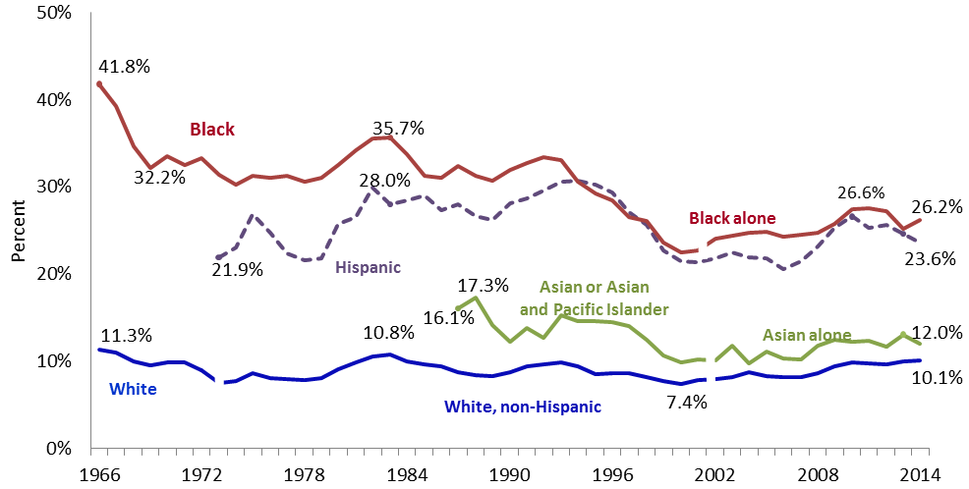
Table of Contents
Data for Figure 19
Percentage of Population in Poverty by Race and Ethnic Origin, 1966-2014
Year | Total | White, non-Hispanic | Black or Black Alone | Asian or Asian/Pacific Islander | Hispanic
2014 | 14.8% | 10.1% | 26.2% | 12.0% | 23.6%
2013 | 14.8% | 10.0% | 25.2% | 13.1% | 24.7%
2012 | 15.0% | 9.7% | 27.2% | 11.7% | 25.6%
2011 | 15.0% | 9.8% | 27.6% | 12.3% | 25.3%
2010 | 15.1% | 9.9% | 27.4% | 12.2% | 26.6%
2009 | 15.1% | 9.4% | 25.8% | 12.5% | 25.3%
2008 | 14.3% | 8.6% | 24.7% | 11.8% | 23.2%
2007 | 13.2% | 8.2% | 24.5% | 10.2% | 21.5%
2006 | 12.5% | 8.2% | 24.3% | 10.3% | 20.6%
2005 | 12.3% | 8.3% | 24.9% | 11.1% | 21.8%
2004 | 12.6% | 8.7% | 24.7% | 9.8% | 21.9%
2003 | 12.7% | 8.2% | 24.4% | 11.8% | 22.5%
2002 | 12.5% | 8.0% | 24.1% | 10.1% | 21.8%
2001 | 12.1% | 7.8% | 22.7% | 10.2% | 21.4%
2000 | 11.7% | 7.4% | 22.5% | 9.9% | 21.5%
1999 | 11.3% | 7.7% | 23.6% | 10.7% | 22.7%
1998 | 11.9% | 8.2% | 26.1% | 12.5% | 25.6%
1997 | 12.7% | 8.6% | 26.5% | 14.0% | 27.1%
1996 | 13.3% | 8.6% | 28.4% | 14.5% | 29.4%
1995 | 13.7% | 8.5% | 29.3% | 14.6% | 30.3%
1994 | 13.8% | 9.4% | 30.6% | 14.6% | 30.7%
1993 | 14.5% | 9.9% | 33.1% | 15.3% | 30.6%
1992 | 15.1% | 9.6% | 33.4% | 12.7% | 29.6%
...

20
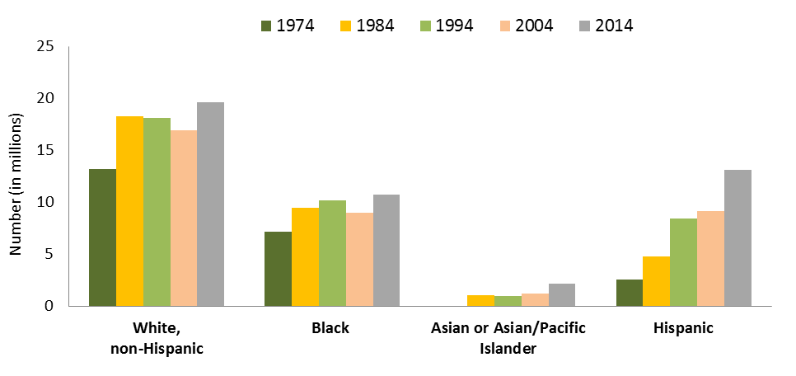
Table of Contents
Data for Figure 20
Number of People (in millions) in Official Poverty by Race and Ethnic Origin, 1974, 1984, 1994, 2004 and 2014

 | White, non-Hispanic | Black | Asian or Asian/Pacific Islander | Hispanic
1974 | 13.217 | 7.182 | — | 2.575
1984 | 18.300 | 9.490 | 1.021 | 4.806
1994 | 18.110 | 10.196 | 0.974 | 8.416
2004 | 16.908 | 9.014 | 1.201 | 9.122
2014 | 19.652 | 10.755 | 2.137 | 13.104

Note: Hispanics may be of any race. Race categories for 1974 to 1994 refer to 1) White, non-Hispanic, 2) Black, and 3) Asian and Pacific Islander. Later data depict White alone, non-Hispanic; Black alone; and Asian alone.
Source: U.S. Census Bureau. Current Population Survey Annual Social and Economic Supplements. Historical Poverty Tables. Table 2. Poverty Status of People by Family Relationship, Race, and Hispanic Origin: 1974 to 2014. Available at: http://www.census.gov/hhes/www/poverty/data/historical/people.html

21
Table of Contents
Data for Figure 21
Percentage of Population in Poverty by Educational Attainment, Ages 25 and Older, 1969-2014
 | Less than High School | High School | Some College | BA Degree or Higher
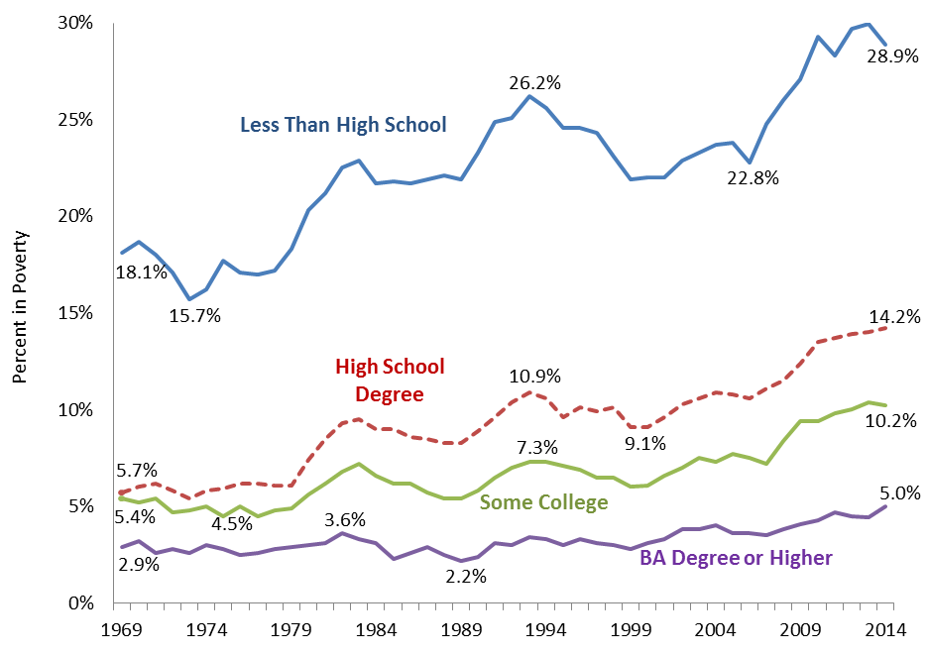
2014 | 28.9% | 14.2% | 10.2% | 5.0%
2013 | 30.0% | 14.0% | 10.4% | 4.4%
2012 | 29.7% | 13.9% | 10.0% | 4.5%
2011 | 28.3% | 13.7% | 9.8% | 4.7%
2010 | 29.3% | 13.5% | 9.4% | 4.3%
2009 | 27.1% | 12.4% | 9.4% | 4.1%
2008 | 26.0% | 11.5% | 8.4% | 3.8%
2007 | 24.8% | 11.1% | 7.2% | 3.5%
2006 | 22.8% | 10.6% | 7.5% | 3.6%
2005 | 23.8% | 10.8% | 7.7% | 3.6%
2004 | 23.7% | 10.9% | 7.3% | 4.0%
2003 | 23.3% | 10.6% | 7.5% | 3.8%
2002 | 22.9% | 10.3% | 7.0% | 3.8%
2001 | 22.0% | 9.6% | 6.6% | 3.3%
2000 | 22.0% | 9.1% | 6.1% | 3.1%
1999 | 21.9% | 9.1% | 6.0% | 2.8%
1998 | 23.1% | 10.1% | 6.5% | 3.0%
1997 | 24.3% | 9.9% | 6.5% | 3.1%
1996 | 24.6% | 10.1% | 6.9% | 3.3%
1995 | 24.6% | 9.6% | 7.1% | 3.0%
1994 | 25.6% | 10.6% | 7.3% | 3.3%
1993 | 26.2% | 10.9% | 7.3% | 3.4%
1992 | 25.1% | 10.4% | 7.0% | 3.0%
1991 | 24.9% | 9.6% | 6.5% | 3.1%
1990 | 23.3% | 8.9% | 5.8% | 2.4%
1989 | 21.9% | 8.3% | 5.4% | 2.2%
1988 | 22.1% | 8.3% | 5.4% | 2.5%
1987 | 21.9% | 8.5% | 5.7% | 2.9%
1986 | 21.7% | 8.6% | 6.2% | 2.6%
1985 | 21.8% | 9.0% | 6.2% | 2.3%
1984 | 21.7% | 9.0% | 6.6% | 3.1%
1983 | 22.9% | 9.5% | 7.2% | 3.3%
1982 | 22.5% | 9.3% | 6.8% | 3.6%
1981 | 21.2% | 8.5% | 6.2% | 3.1%
1980 | 20.3% | 7.4% | 5.6% | 3.0%
1979 | 18.3% | 6.1% | 4.9% | 2.9%
...

22
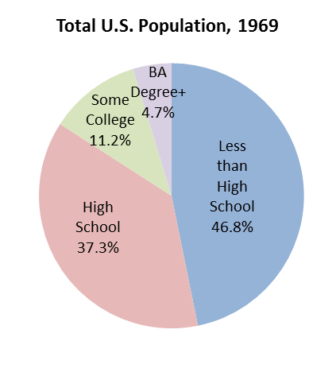
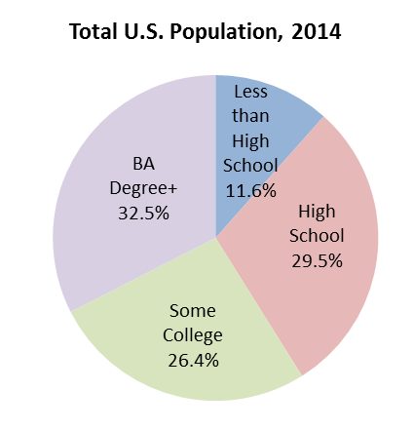
Table of Contents
Data for Figure 22
Percentage of Total Population by Educational Attainment, Ages 25 and Older, 1969 and 2014
Total U.S. Population, 1969
 | #REF!
 | 1
 | 1969 | 2014
Total | 100.0% | 100.0%
Less than High School | 46.8% | 11.6%
High School | 37.3% | 29.5%
Some College | 11.2% | 26.4%
BA Degree+ | 4.7% | 32.5%

Note: “Some college” includes Associate’s degrees.
Sources: Steven Ruggles et al. Integrated Public Use Microdata Series: Version 5.0 [Machine-readable database]. Minneapolis: University of Minnesota, 2010. Current Population Survey Data, 1970 to 2015. Available at: https://usa.ipums.org/usa/; U.S. Census Bureau, CPS Table Creator for Current Population Survey Annual Social and Economic Supplement, 2015. Available at: http://www.census.gov/cps/data/cpstablecreator.html

23
Table of Contents
Data for Figure 23
Percentage of Adults Ages 18-64 in Poverty by Work Status, 1985-2014
 | All workers | Full-Time, Full-Year | Part-Time or Part-Year | Not Working
2014 | 6.9% | 3.0% | 15.9% | 33.7%
2013 | 7.0% | 3.0% | 15.8% | 32.8%
2012 | 7.3% | 2.9% | 16.6% | 33.1%
2011 | 7.2% | 2.8% | 16.3% | 32.9%
2010 | 7.3% | 2.7% | 16.4% | 32.9%
2009 | 7.2% | 2.7% | 15.8% | 31.4%
2008 | 6.6% | 2.7% | 14.7% | 30.4%
2007 | 5.9% | 2.6% | 13.9% | 29.6%
2006 | 6.0% | 2.7% | 13.9% | 29.3%
2005 | 6.2% | 2.8% | 14.0% | 29.8%
2004 | 6.3% | 2.8% | 14.1% | 30.0%
2003 | 6.0% | 2.6% | 13.2% | 29.3%
2002 | 6.0% | 2.6% | 13.5% | 28.9%
2001 | 5.7% | 2.6% | 12.7% | 28.9%
2000 | 5.7% | 2.4% | 13.2% | 27.5%
1999 | 6.2% | 2.6% | 14.3% | 27.8%
1998 | 6.4% | 2.9% | 13.9% | 29.4%
1997 | 6.6% | 2.6% | 14.9% | 30.6%
1996 | 6.8% | 2.5% | 15.2% | 31.9%
1995 | 6.9% | 2.8% | 14.8% | 31.2%
1994 | 7.2% | 2.9% | 14.9% | 32.5%
1992 | 7.1% | 2.6% | 14.8% | 31.3%
1991 | 6.9% | 2.6% | 14.2% | 30.7%
1990 | 6.6% | 2.6% | 13.4% | 29.4%
1989 | 6.3% | 2.4% | 13.4% | 27.8%
1988 | 6.5% | 2.4% | 13.6% | 28.4%
1987 | 6.5% | 2.4% | 14.2% | 29.8%
1986 | 7.0% | 2.7% | 14.9% | 27.1%
1985 | 7.3% | 2.7% | 15.4% | 27.4%
 | All workers | Full-Time, Full-Year | Part-Time or Part-Year | Not Working
2014 | 6.9% | 3.0% | 15.9% | 33.7%
2013 | 7.0% | 3.0% | 15.8% | 32.8%
2012 | 7.3% | 2.9% | 16.6% | 33.1%
2011 | 7.2% | 2.8% | 16.3% | 32.9%
2010 | 7.3% | 2.7% | 16.4% | 32.9%
2009 | 7.2% | 2.7% | 15.8% | 31.4%
2008 | 6.6% | 2.7% | 14.7% | 30.4%
2007 | 5.9% | 2.6% | 13.9% | 29.6%
2006 | 6.0% | 2.7% | 13.9% | 29.3%
2005 | 6.2% | 2.8% | 14.0% | 29.8%
2004 | 6.3% | 2.8% | 14.1% | 30.0%
2003 | 6.0% | 2.6% | 13.2% | 29.3%
2002 | 6.0% | 2.6% | 13.5% | 28.9%
2001 | 5.7% | 2.6% | 12.7% | 28.9%
2000 | 5.7% | 2.4% | 13.2% | 27.5%
1999 | 6.2% | 2.6% | 14.3% | 27.8%
1998 | 6.4% | 2.9% | 13.9% | 29.4%
1997 | 6.6% | 2.6% | 14.9% | 30.6%
1996 | 6.8% | 2.5% | 15.2% | 31.9%
1995 | 6.9% | 2.8% | 14.8% | 31.2%
1994 | 7.2% | 2.9% | 14.9% | 32.5%
1992 | 7.1% | 2.6% | 14.8% | 31.3%
1991 | 6.9% | 2.6% | 14.2% | 30.7%
1990 | 6.6% | 2.6% | 13.4% | 29.4%
1989 | 6.3% | 2.4% | 13.4% | 27.8%
1988 | 6.5% | 2.4% | 13.6% | 28.4%
...

24
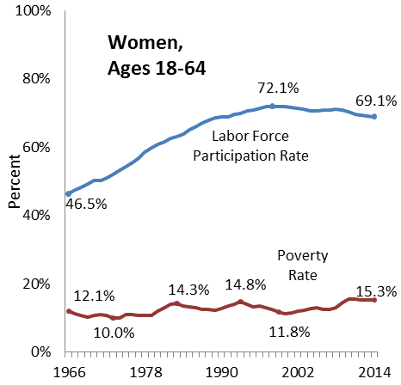
Table of Contents
Data for Figure 24
Percentage of Women and Men Ages 18-64 in Poverty and in the Labor Force, 1966-2014
 | Poverty Rate |  | Labor Force Participation Rate
Year | Women | Men | Women | Men
2014 | 15.3% | 11.6% | 69.1% | 81.2%
2013 | 15.4% | 11.2% | 69.1% | 81.4%
2012 | 15.4% | 11.9% | 69.5% | 81.6%
2011 | 15.5% | 11.8% | 69.8% | 81.7%
2010 | 15.5% | 12.0% | 70.5% | 82.3%
2009 | 14.6% | 11.2% | 71.0% | 83.1%
2008 | 13.2% | 10.1% | 71.2% | 84.2%
2007 | 12.6% | 9.1% | 70.9% | 84.4%
2006 | 12.5% | 9.2% | 71.0% | 84.5%
2005 | 13.0% | 9.1% | 70.8% | 84.4%
2004 | 12.9% | 9.7% | 70.8% | 84.4%
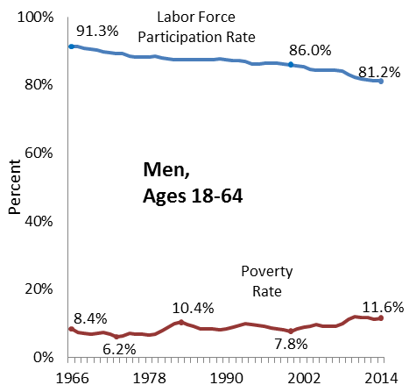
2003 | 12.4% | 9.1% | 71.3% | 84.7%
2002 | 12.2% | 8.9% | 71.5% | 85.3%
2001 | 11.6% | 8.5% | 71.8% | 85.6%
2000 | 11.3% | 7.8% | 72.0% | 86.0%
1999 | 11.8% | 8.3% | 72.1% | 86.1%
1998 | 12.5% | 8.5% | 72.0% | 86.3%
1997 | 13.2% | 8.7% | 72.1% | 86.4%
1996 | 13.5% | 9.2% | 71.4% | 86.4%
1995 | 13.3% | 9.4% | 70.9% | 86.2%
1994 | 14.0% | 9.7% | 70.6% | 86.2%
1993 | 14.8% | 10.0% | 69.8% | 86.9%
1992 | 14.2% | 9.6% | 69.6% | 87.2%
1991 | 13.6% | 9.0% | 68.9% | 87.2%
1990 | 12.9% | 8.5% | 69.0% | 87.6%
1989 | 12.3% | 8.1% | 68.8% | 87.8%
1988 | 12.5% | 8.4% | 67.8% | 87.5%
1987 | 12.6% | 8.5% | 67.1% | 87.6%
1986 | 13.1% | 8.5% | 66.2% | 87.6%
1985 | 13.3% | 9.3% | 65.2% | 87.5%
1984 | 13.6% | 9.8% | 64.0% | 87.5%
1983 | 14.3% | 10.4% | 63.0% | 87.4%
1982 | 14.1% | 9.9% | 62.6% | 87.5%
1981 | 13.2% | 8.9% | 61.8% | 87.8%
1980 | 12.1% | 7.9% | 60.9% | 88.1%
1979 | 10.8% | 6.9% | 60.0% | 88.4%
1978 | 10.7% | 6.6% | 58.7% | 88.3%
1977 | 10.7% | 6.8% | 56.9% | 88.3%
...

25
...
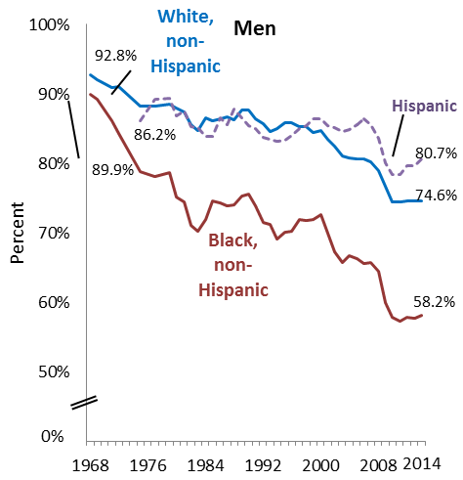
...
Women |  |  | Men
White, non-Hispanic | Black, non-Hispanic | Hispanic | White, non-Hispanic | Black, non-Hispanic | Hispanic

59.8% | 56.4% | 54.5% | 74.6% | 58.2% | 80.7%
60.1% | 56.1% | 54.1% | 74.6% | 57.7% | 79.6%
61.4% | 55.0% | 54.3% | 74.6% | 57.8% | 79.7%
61.0% | 55.9% | 54.7% | 74.4% | 57.3% | 78.4%
61.1% | 55.3% | 53.6% | 74.5% | 57.8% | 78.4%
63.4% | 57.0% | 55.6% | 76.7% | 60.0% | 80.1%
65.6% | 61.3% | 57.2% | 79.0% | 64.5% | 83.6%
66.1% | 62.4% | 56.0% | 80.3% | 65.8% | 85.6%
66.5% | 63.2% | 56.8% | 80.6% | 65.6% | 86.4%
66.3% | 63.3% | 56.1% | 80.7% | 66.3% | 85.6%
66.3% | 62.9% | 56.1% | 80.8% | 66.7% | 84.9%
66.9% | 65.2% | 56.9% | 81.1% | 65.7% | 84.6%
69.5% | 64.4% | 57.5% | 82.5% | 67.3% | 85.1%
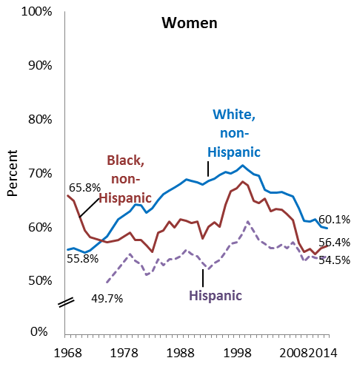
69.8% | 64.8% | 59.2% | 83.4% | 69.9% | 85.5%
70.6% | 67.7% | 61.0% | 84.7% | 72.7% | 86.4%
71.4% | 68.4% | 58.8% | 84.5% | 72.0% | 86.4%
70.4% | 67.1% | 57.1% | 85.3% | 71.8% | 85.5%
69.9% | 66.6% | 56.9% | 85.3% | 72.0% | 85.0%
70.2% | 64.1% | 55.4% | 85.9% | 70.3% | 84.0%
69.6% | 60.1% | 53.9% | 85.9% | 70.1% | 83.3%
69.0% | 60.9% | 53.3% | 85.0% | 69.1% | 83.2%
68.6% | 60.0% | 52.2% | 84.6% | 71.2% | 83.5%
67.8% | 57.8% | 53.3% | 85.7% | 71.5% | 83.7%
68.3% | 61.0% | 54.6% | 86.4% | 73.9% | 85.0%
68.5% | 60.7% | 55.0% | 87.7% | 75.6% | 85.4%
68.8% | 61.1% | 55.8% | 87.7% | 75.3% | 86.6%
68.0% | 61.4% | 54.6% | 86.3% | 74.0% | 87.8%
67.3% | 59.9% | 54.0% | 86.7% | 73.9% | 85.6%
66.8% | 61.0% | 54.0% | 86.4% | 74.3% | 86.5%
66.0% | 59.4% | 52.9% | 86.1% | 74.6% | 83.9%
65.0% | 58.9% | 54.0% | 86.5% | 71.9% | 83.9%
63.5% | 55.3% | 51.7% | 84.8% | 70.2% | 85.2%
62.7% | 56.6% | 51.1% | 85.6% | 71.1% | 85.3%
64.0% | 57.5% | 53.0% | 87.4% | 74.5% | 87.6%
64.1% | 57.6% | 53.7% | 88.0% | 75.2% | 86.8%
62.9% | 58.9% | 55.0% | 88.5% | 78.7% | 89.4%
61.4% | 57.6% | 52.2% | 88.3% | 78.1% | 89.2%
58.3% | 57.2% | 49.7% | 88.2% | 78.8% | 86.2%
55.6% | 58.1% |  | 91.1% | 84.3%
55.2% | 59.4% |  | 90.9% | 86.1%
...

27
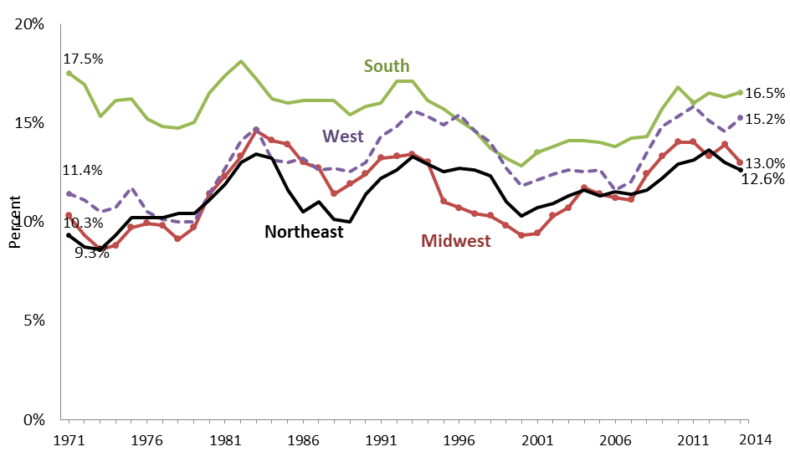
Table of Contents
Data for Figure 27
Percentage of Population in Poverty by Region, 1969 to 2014
 | Northeast | Midwest | South | West
2014 | 12.6% | 13.0% | 16.5% | 15.2%
2013 | 13.0% | 13.9% | 16.3% | 14.6%
2012 | 13.6% | 13.3% | 16.5% | 15.1%
2011 | 13.1% | 14.0% | 16.0% | 15.8%
2010 | 12.9% | 14.0% | 16.8% | 15.3%
2009 | 12.2% | 13.3% | 15.7% | 14.8%
2008 | 11.6% | 12.4% | 14.3% | 13.5%
2007 | 11.4% | 11.1% | 14.2% | 12.0%
2006 | 11.5% | 11.2% | 13.8% | 11.6%
2005 | 11.3% | 11.4% | 14.0% | 12.6%
2004 | 11.6% | 11.7% | 14.1% | 12.5%
2003 | 11.3% | 10.7% | 14.1% | 12.6%
2002 | 10.9% | 10.3% | 13.8% | 12.4%
2001 | 10.7% | 9.4% | 13.5% | 12.1%
2000 | 10.3% | 9.3% | 12.8% | 11.8%
1999 | 11.0% | 9.8% | 13.2% | 12.7%
1998 | 12.3% | 10.3% | 13.7% | 14.0%
1997 | 12.6% | 10.4% | 14.6% | 14.6%
1996 | 12.7% | 10.7% | 15.1% | 15.4%
1995 | 12.5% | 11.0% | 15.7% | 14.9%
1994 | 12.9% | 13.0% | 16.1% | 15.3%
1993 | 13.3% | 13.4% | 17.1% | 15.6%
1992 | 12.6% | 13.3% | 17.1% | 14.8%
1991 | 12.2% | 13.2% | 16.0% | 14.3%
1990 | 11.4% | 12.4% | 15.8% | 13.0%
1989 | 10.0% | 11.9% | 15.4% | 12.5%
1988 | 10.1% | 11.4% | 16.1% | 12.7%
1987 | 11.0% | 12.7% | 16.1% | 12.6%
...

